ART
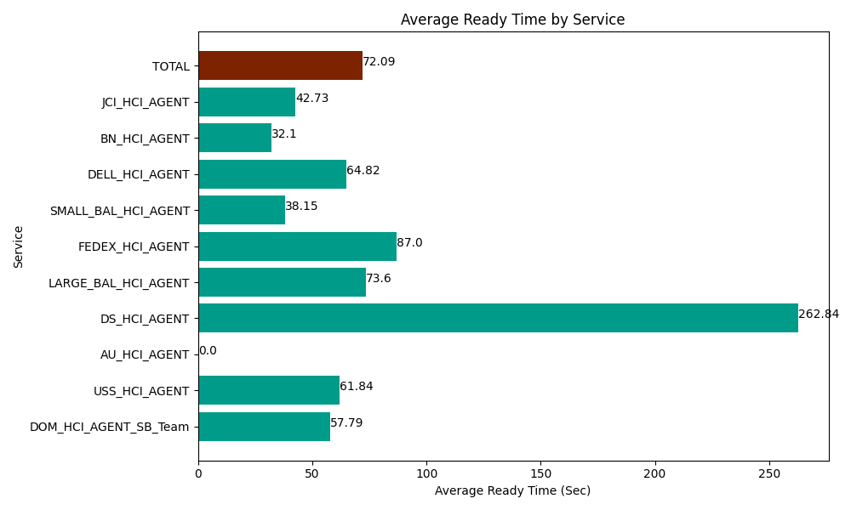
Date | Service | Successful Op Transfer | In Call (Sec) | Ready (Sec) | Wrapup (Sec) | Not Ready (Sec) | Average Ready Time (Sec)
06-20-2024 | DOM_HCI_AGENT_SB_Team | 53 | 4069.1999817 | 3062.9999542 | 6940.8000183 | 820.80001831 | 57.79
06-20-2024 | USS_HCI_AGENT | 214 | 31483.198242 | 13234.200439 | 44952.000732 | 30862.800293 | 61.84
06-20-2024 | AU_HCI_AGENT | 0 | 0 | 259.2000103 | 0 | 4.7999998927 | 0
06-20-2024 | DS_HCI_AGENT | 40 | 4318.8002014 | 10513.799744 | 5010 | 1681.2000275 | 262.84
06-20-2024 | LARGE_BAL_HCI_AGENT | 3 | 103.20000172 | 220.80000401 | 418.19998741 | 60 | 73.6
06-20-2024 | FEDEX_HCI_AGENT | 1 | 100.79999685 | 87.000002861 | 85.199997425 | 12.000000179 | 87
06-20-2024 | SMALL_BAL_HCI_AGENT | 86 | 3695.9999084 | 3280.8000183 | 7485 | 2398.7999725 | 38.15
06-20-2024 | DELL_HCI_AGENT | 109 | 9021.0003662 | 7065 | 30721.801758 | 11305.799561 | 64.82
06-20-2024 | BN_HCI_AGENT | 993 | 45197.999268 | 31879.200439 | 85678.798828 | 44220 | 32.1
06-20-2024 | JCI_HCI_AGENT | 228 | 17770.200806 | 9742.800293 | 19357.800293 | 2222.9999542 | 42.73
 | TOTAL | 1727 | 115760.39877 | 79345.800905 | 200649.60161 | 93589.199826 | 72.09

